PROFORMA INVOICE
No.33 East Yongli Street, Taihe, Baiyun District, Guangdong Province, China
URL: ShipNepal.cn Email: service@shipnepal.cn
PROFORMA INVOICE
形 式 发 票
PI No.:
Dated:
ATTN:
ADDRESS:
PAN/VAN NO.:
TEL: Email:
ON THE BASIS OF FOB CHINA EXCHANGE RATE CNY￥1=USD$
Item No 序号 | Description of Goods 货物描述 | HS Code | Quantity 数量 | Unit Price 单价 | TOTAL AMOUNT 总价

TOTAL 合计 |  |  |  |  | 0
TERMS AND CONDITIONS
Terms of payment: payment in advance
Time of shipment: As arranged by the shipper after payment

BANK INFO (In USD and make sure that all the banking charges outside China are boren by the payer)
Bank: INDUSTRIAL AND COMMERCIAL BANK OF CHINA, GUANGDONG PROVINCIAL BRANCH Address: ICBC TOWER, 29 DA SHA TOU ROAD GUANGZHOU, 510100, GUANGDONG CHINA Swift Code: ICBKCNBJGDG Account No.: 3602006009140054297 Beneficiary: GUANGZHOU FRIENDBRIDGE TRADING CO., LTD.
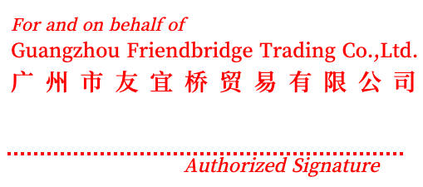
Errors & Omissions Excepted

